FAO basins
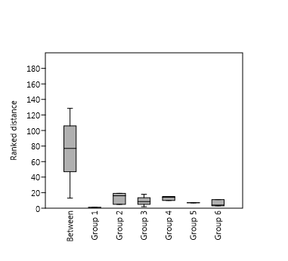

 |  |  |  |  |  | ANOSIM

 |  |  |  |  |  | Permutation N: | 9999
 |  |  |  |  |  | Mean rank within: | 9.412
 |  |  |  |  |  | Mean rank between: | 76.94
 |  |  |  |  |  | R: | 0.9931
 |  |  |  |  |  | p (same): | 0.0001

 | C 1 | C 2 | C 3 | C 4 | C 5 | C 6
C 1 |  | 1 | 0.9885 | 1 | 1 | 1
C 2 | 1 |  | 0.4635 | 1 | 1 | 1
C 3 | 0.9885 | 0.4635 |  | 0.453 | 0.9555 | 0.4695
C 4 | 1 | 1 | 0.453 |  | 1 | 1
C 5 | 1 | 1 | 0.9555 | 1 |  | 1
C 6 | 1 | 1 | 0.4695 | 1 | 1

Fao subbasins
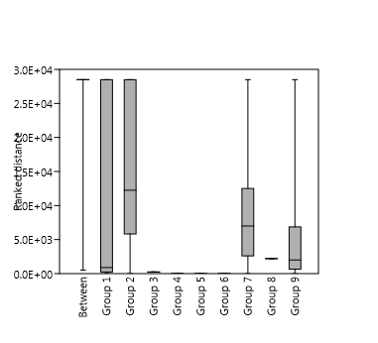

 |  |  |  |  |  | ANOSIM

 |  |  |  |  |  | Permutation N: | 9999
 |  |  |  |  |  | Mean rank within: | 1.45E+04
 |  |  |  |  |  | Mean rank between: | 2.55E+04
 |  |  |  |  |  | R: | 0.5522
 |  |  |  |  |  | p (same): | 0.0001

 | C 1 | C 2 | C 3 | C 4 | C 5 | C 6 | C 7 | C 8 | C 9
C 1 |  | 0.0036 | 0.756 | 0.7344 | 0.7812 | 0.8172 | 0.0036 | 0.8244 | 0.0036
C 2 | 0.0036 |  | 0.018 | 0.0216 | 0.0036 | 0.0036 | 0.0036 | 0.2736 | 0.0036
C 3 | 0.756 | 0.018 |  | 1 | 1 | 1 | 0.0684 | 1 | 0.1332
C 4 | 0.7344 | 0.0216 | 1 |  | 1 | 1 | 0.0252 | 1 | 0.1332
C 5 | 0.7812 | 0.0036 | 1 | 1 |  | 1 | 0.0216 | 1 | 0.162
C 6 | 0.8172 | 0.0036 | 1 | 1 | 1 |  | 0.0252 | 1 | 0.1584
C 7 | 0.0036 | 0.0036 | 0.0684 | 0.0252 | 0.0216 | 0.0252 |  | 0.0396 | 0.0036
C 8 | 0.8244 | 0.2736 | 1 | 1 | 1 | 1 | 0.0396 |  | 0.18
C 9 | 0.0036 | 0.0036 | 0.1332 | 0.1332 | 0.162 | 0.1584 | 0.0036 | 0.18

Pfastetter level 4
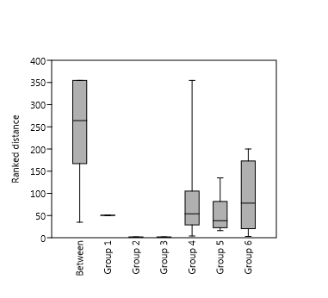

 |  |  |  |  |  | ANOSIM

 |  |  |  |  |  | Permutation N: | 9999
 |  |  |  |  |  | Mean rank within: | 77.57
 |  |  |  |  |  | Mean rank between: | 257.8
 |  |  |  |  |  | R: | 0.8285
 |  |  |  |  |  | p (same): | 0.0001

 | C 1 | C 2 | C 3 | C 4 | C 5 | C 6
C 1 |  | 1 | 1 | 0.1485 | 0.7905 | 0.3435
C 2 | 1 |  | 1 | 0.1965 | 0.7455 | 0.312
C 3 | 1 | 1 |  | 0.222 | 0.6555 | 0.3405
C 4 | 0.1485 | 0.1965 | 0.222 |  | 0.006 | 0.003
C 5 | 0.7905 | 0.7455 | 0.6555 | 0.006 |  | 0.0135
C 6 | 0.3435 | 0.312 | 0.3405 | 0.003 | 0.0135

Pfastetter level 5
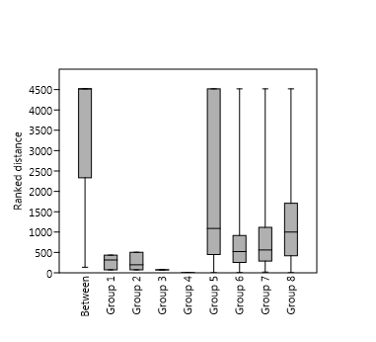

 |  |  |  |  |  | ANOSIM

 |  |  |  |  |  | Permutation N: | 9999
 |  |  |  |  |  | Mean rank within: | 1398
 |  |  |  |  |  | Mean rank between: | 3596
 |  |  |  |  |  | R: | 0.7073
 |  |  |  |  |  | p (same): | 0.0001

 | C 1 | C 2 | C 3 | C 4 | C 5 | C 6 | C 7 | C 8
C 1 |  | 1 | 1 | 1 | 0.0112 | 0.0336 | 0.0252 | 0.0084
C 2 | 1 |  | 1 | 1 | 0.0028 | 0.0168 | 0.0252 | 0.0028
C 3 | 1 | 1 |  | 1 | 0.1092 | 0.1092 | 0.1876 | 0.056
C 4 | 1 | 1 | 1 |  | 0.084 | 0.1092 | 0.1904 | 0.028
C 5 | 0.0112 | 0.0028 | 0.1092 | 0.084 |  | 0.0028 | 0.0028 | 0.0028
C 6 | 0.0336 | 0.0168 | 0.1092 | 0.1092 | 0.0028 |  | 0.0028 | 0.0028
C 7 | 0.0252 | 0.0252 | 0.1876 | 0.1904 | 0.0028 | 0.0028 |  | 0.0028
C 8 | 0.0084 | 0.0028 | 0.056 | 0.028 | 0.0028 | 0.0028 | 0.0028

one degree
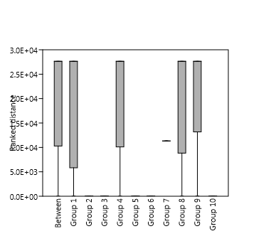

 |  |  |  |  |  | ANOSIM

 |  |  |  |  |  | Permutation N: | 9999
 |  |  |  |  |  | Mean rank within: | 1.99E+04
 |  |  |  |  |  | Mean rank between: | 2.02E+04
 |  |  |  |  |  | R: | 0.01416
 |  |  |  |  |  | p (same): | 0.1803

 | G1 | G2 | G3 | G4 | G5 | G6 | G7 | G8 | G9 | G10
G1 |  | 1 | 1 | 1 | 1 | 1 | 1 | 0.144 | 1 | 1
G2 | 1 |  | 1 | 1 | 1 | 1 | 1 | 1 | 1 | 1
G3 | 1 | 1 |  | 1 | 1 | 1 | 1 | 1 | 1 | 1
G4 | 1 | 1 | 1 |  | 1 | 1 | 1 | 1 | 1 | 1
G5 | 1 | 1 | 1 | 1 |  | 1 | 1 | 0.747 | 1 | 1
G6 | 1 | 1 | 1 | 1 | 1 |  | 1 | 1 | 1 | 1
G7 | 1 | 1 | 1 | 1 | 1 | 1 |  | 1 | 1 | 1
G8 | 0.144 | 1 | 1 | 1 | 0.747 | 1 | 1 |  | 1 | 1
G9 | 1 | 1 | 1 | 1 | 1 | 1 | 1 | 1 |  | 1
G10 | 1 | 1 | 1 | 1 | 1 | 1 | 1 | 1 | 1

half degree
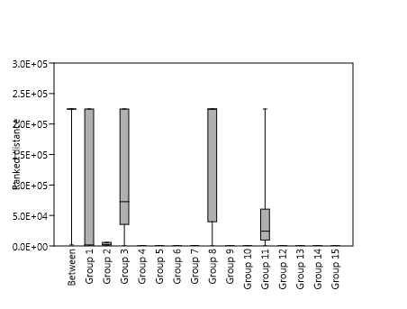
 |  |  |  |  |  | ANOSIM
 |  |  |  |  |  | Permutation N: | 9999
 |  |  |  |  |  | Mean rank within: | 1.20E+05
 |  |  |  |  |  | Mean rank between: | 2.12E+05
 |  |  |  |  |  | R: | 0.5223
 |  |  |  |  |  | p (same): | 0.0001

MATRIZ
 | C 1 | C 2 | C 3 | C 4 | C 5 | C 6 | C 7 | C 8 | C 9 | C 10 | C 11 | C 12 | C 13 | C 14 | C 15
C 1 |  | 0.105 | 0.0105 | 0.231 | 0.399 | 0.399 | 0.4305 | 0.0105 | 0.357 | 0.4095 | 0.0105 | 0.357 | 0.42 | 0.4305 | 0.336
C 2 | 0.105 |  | 0.0105 | 1 | 1 | 1 | 1 | 0.0105 | 1 | 1 | 0.0105 | 1 | 1 | 1 | 1
C 3 | 0.0105 | 0.0105 |  | 0.0105 | 0.0105 | 0.021 | 0.021 | 0.0105 | 0.0105 | 0.0105 | 0.0105 | 0.0105 | 0.0105 | 0.0105 | 0.0105
C 4 | 0.231 | 1 | 0.0105 |  | 1 | 1 | 1 | 0.0105 | 1 | 1 | 0.084 | 1 | 1 | 1 | 1
C 5 | 0.399 | 1 | 0.0105 | 1 |  | 1 | 1 | 0.21 | 1 | 1 | 0.042 | 1 | 1 | 1 | 1
C 6 | 0.399 | 1 | 0.021 | 1 | 1 |  | 1 | 0.0105 | 1 | 1 | 0.021 | 1 | 1 | 1 | 1
C 7 | 0.4305 | 1 | 0.021 | 1 | 1 | 1 |  | 0.0315 | 1 | 1 | 0.021 | 1 | 1 | 1 | 1
C 8 | 0.0105 | 0.0105 | 0.0105 | 0.0105 | 0.21 | 0.0105 | 0.0315 |  | 0.0105 | 0.0315 | 0.0105 | 0.021 | 0.0105 | 0.1155 | 0.0105
C 9 | 0.357 | 1 | 0.0105 | 1 | 1 | 1 | 1 | 0.0105 |  | 1 | 0.042 | 1 | 1 | 1 | 1
C 10 | 0.4095 | 1 | 0.0105 | 1 | 1 | 1 | 1 | 0.0315 | 1 |  | 0.021 | 1 | 1 | 1 | 1
C 11 | 0.0105 | 0.0105 | 0.0105 | 0.084 | 0.042 | 0.021 | 0.021 | 0.0105 | 0.042 | 0.021 |  | 0.021 | 0.105 | 0.0945 | 0.0525
C 12 | 0.357 | 1 | 0.0105 | 1 | 1 | 1 | 1 | 0.021 | 1 | 1 | 0.021 |  | 1 | 1 | 1
C 13 | 0.42 | 1 | 0.0105 | 1 | 1 | 1 | 1 | 0.0105 | 1 | 1 | 0.105 | 1 |  | 1 | 1
C 14 | 0.4305 | 1 | 0.0105 | 1 | 1 | 1 | 1 | 0.1155 | 1 | 1 | 0.0945 | 1 | 1 |  | 1
C 15 | 0.336 | 1 | 0.0105 | 1 | 1 | 1 | 1 | 0.0105 | 1 | 1 | 0.0525 | 1 | 1 | 1

